Sheet1
 |  | Document No. | Issue No. | Issue Date |  | Review and Replace Date |  | Authorised By
 |  | GFF000MC | 1 | 12.07.2023 |  | New issue
 |  | Document Title | 20 Vegetable Samosa 500G
 |  |  |  |  |  |  |  | Magda Shah
Document amendments reason for change |  | New document | Page 1 of 1 |  | Previous Issue Date |  | New issue | Uncontrolled copy unless signed original

CVSAC-B20X1T | GAZEBO |  | 20 Vegetable Samosa 500G | CHILLED
STEP 1 |  |  |  |  | STEP 2
 |  |  |  |  |  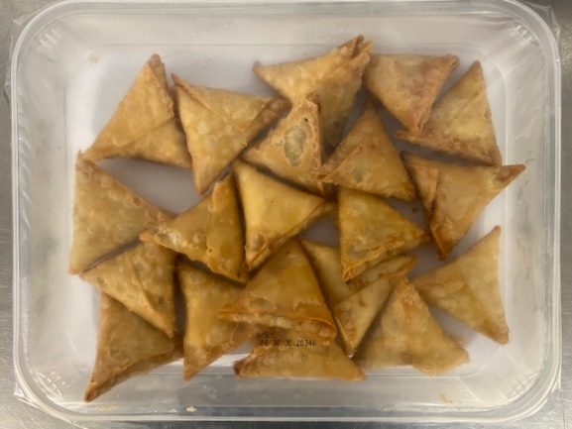

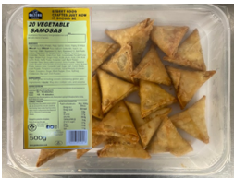
Tray: HW308/60 open ECO tray- PKLEE001-09 |  |  |  |  | Vegetable Samosa Cocktail 25g (GFF003R): 20 Pieces (500G)
Film: K Peel RPSM 25µm (340mmX1000lm)-(PKKMP001-05)
STEP 3
 |  |  | 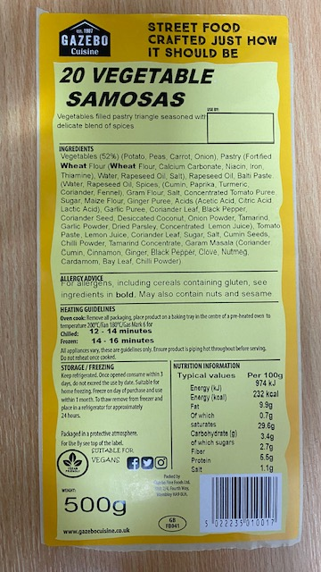

Label: 20 Vegetable Samosas-Barcode:0017
TOTAL WEIGHT: 500G

ALLERGY ALERT: WHEAT, SOYA

